Sheet1
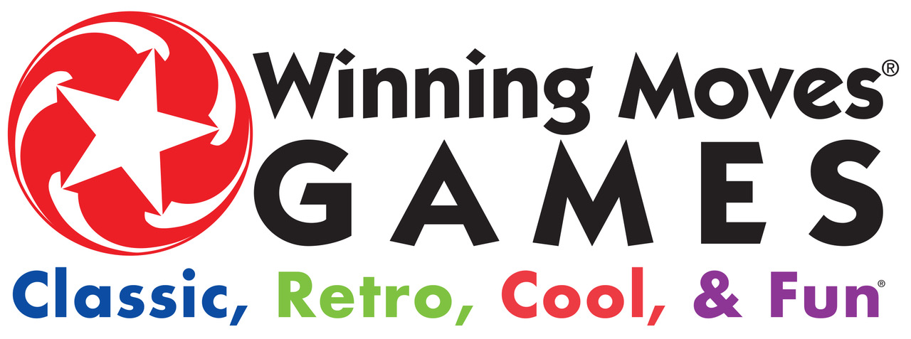
 |  |  |  | 2024 Spring Order Form

 | 75 Sylvan Street, Suite C-104, Danvers, MA 01923 |  |  | Order No.: |  |  | Buyer:
 | Phone: 978-777-7464 x101, x102, x103 |  |  | Order Date: |  |  | Phone:
 | Fax: 978-739-4847 Email: wmsales@winning-moves.com |  |  | Ship Date: |  |  | Fax:
 | Website: www.winning-moves.com |  |  | Cancel Date: |  |  | Email:
 | Product Safety Information - "Certificates of Conformity" |  |  | Terms: Net 30 with credit approval |  |  | Sales Rep:
 | are located at www.winning-moves.com/product_safety |  |  | FOB: Grantsville, MD 21536 |  |  | Backorders: Y N

 | Go Paperless! Check Below To Receive Email Invoices:
 | Yes | Email Address To Send Invoices:
 | Bill To: |  |  | Ship To:

 | Visa | MasterCard
 | Card Holder Name:
 | Card Holder Address:
 | Card Number: |  |  |  |  | Exp. Date: |  | CSC No.:

 | Winning Moves products can only be sold in the USA.
 | No FBA are allowed without authorization from Winning Moves.

 | Quantity | Item No. | Description | UPC Code | Case Pack | Unit Price | Case Price | Total
 |  | 1012 | Pit™ | 71404301012-3 | 12 | $5.00 | $60.00
 |  | 1019 | Deluxe Pit™ | 71404301019-2 | 6 | $10.00 | $60.00
 |  | 1030 | Deluxe Rook® | 71404301030-7 | 12 | $5.50 | $66.00
 |  | 1046 | Pass The Pigs® | 71404301046-8 | 6 | $7.25 | $43.50
 |  | 1087 | PayDay® | 71404301087-1 | 6 | $10.00 | $60.00
 |  | 1091 | No Stress Chess® | 71404301091-8 | 6 | $10.50 | $63.00
 |  | 1104 | Monopoly® The Mega Edition | 71404301104-5 | 4 | $22.50 | $90.00
 |  | 1120 | Scattergories® The Card Game | 71404301120-5 | 12 | $6.50 | $78.00
 |  | 1121 | Risk® 1959 | 71404301121-2 | 4 | $22.50 | $90.00
 |  | 1126 | Monopoly® The 1980's Edition | 71404301126-7 | 6 | $15.00 | $90.00
 |  | 1134 | Uncle Wiggily® | 71404301134-2 | 6 | $8.50 | $51.00
 |  | 1137 | Clue® The Classic Edition | 71404301137-3 | 6 | $12.00 | $72.00
 |  | 1140 | The Game of Life® Classic Edition | 71404301140-3 | 4 | $22.50 | $90.00
 |  | 1142 | Scattergories® Categories | 71404301142-7 | 6 | $12.00 | $72.00
 |  | 1143 | Tile Lock Scrabble® | 71404301143-4 | 6 | $12.00 | $72.00
 |  | 1146 | Crocodile Dentist® | 71404301146-5 | 6 | $7.75 | $46.50
 |  | 1147 | Big Boggle® | 71404301147-2 | 6 | $11.50 | $69.00
 |  | 1149 | Pass The Pigs® Pig Party Edition | 71404301149-6 | 6 | $10.00 | $60.00
 |  | 1165 | Super Big Boggle® | 71404301165-6 | 6 | $14.50 | $87.00
 |  | 1167 | Classic Yahtzee® | 71404301167-0 | 6 | $8.00 | $48.00
 |  | 1171 | Classic Sorry® | 71404301171-7 | 6 | $11.00 | $66.00
 |  | 1175 | Classic Ouija® | 71404301175-5 | 6 | $15.00 | $90.00
 |  | 1176 | Classic Trouble® | 71404301176-2 | 6 | $9.25 | $55.50
 |  | 1178 | Classic Twister® | 71404301178-6 | 6 | $12.50 | $75.00
 |  | 1180 | Aggravation® | 71404301180-9 | 6 | $11.00 | $66.00
 |  | 1189 | Candy Land® | 71404301189-2 | 6 | $8.75 | $52.50
 |  | 1191 | Guess Who?® | 71404301191-5 | 6 | $10.50 | $63.00
 |  | 1192 | Hi-Ho! Cherry-O® | 71404301192-2 | 6 | $9.25 | $55.50
 |  | 1195 | Classic Chutes and Ladders® | 71404301195-3 | 6 | $8.75 | $52.50
 |  | 1196 | Classic Waterworks™ | 71404301196-0 | 12 | $5.75 | $69.00
 |  | 1199 | Pass The Pigs® Big Pigs™ | 71404301199-1 | 6 | $10.00 | $60.00
 |  | 1202 | Scrabble® To Go™ | 71404301202-8 | 4 | $22.50 | $90.00

 | Customer Name: |  |  |  |  |  |  | Order No.:
 | Quantity | Item No. | Description | UPC Code | Case Pack | Unit Price | Case Price | Total
 |  | 1206 | Game of The States™ | 71404301206-6 | 6 | $11.00 | $66.00
 |  | 1210 | Clue® Suspect Card Game | 71404301210-3 | 12 | $6.50 | $78.00
 |  | 1212 | Deluxe Pente® | 71404301212-7 | 6 | $11.50 | $69.00
 |  | 1213 | Clue® Master Detective | 71404301213-4 | 6 | $16.50 | $99.00
 |  | 1217 | Monopoly® The Card Game | 71404301217-2 | 12 | $6.50 | $78.00
 |  | 1219 | 13 Dead End Drive® | 71404301219-6 | 6 | $16.50 | $99.00
 |  | 1222 | Pretty Pretty Princess® | 71404301222-6 | 6 | $10.00 | $60.00
 |  | 1228 | Flinch™ | 71404301228-8 | 12 | $5.50 | $66.00
 |  | 1229 | Scattergories® 30th Anniversary Edition | 71404301229-5 | 4 | $25.00 | $100.00
 |  | 1232 | Risk® Europe | 71404301232-5 | 4 | $22.50 | $90.00
 |  | 1235 | Scrabble® Slam | 71404301235-6 | 12 | $3.50 | $42.00
 |  | 1237 | Words Over Easy® | 71404301237-0 | 6 | $8.50 | $51.00
 |  | 1243 | Checkers | 71404301243-1 | 12 | $5.00 | $60.00
 |  | 1244 | Chinese Checkers | 71404301244-8 | 6 | $6.50 | $39.00
 |  | 1245 | Scattergories® Stackagories™ | 71404301245-5 | 6 | $9.00 | $54.00
 |  | 1247 | Scrabble® Spanish Edition | 71404301247-9 | 6 | $11.00 | $66.00
NEW |  | 1248 | Risk® The 1980's Edition | 71404301248-6 | 6 | $15.00 | $90.00
 |  | 1249 | Insert Card Here™ | 71404301249-3 | 6 | $6.50 | $39.00
NEW |  | 1250 | Monopoly® Scrabble® | 71404301250-9 | 6 | $17.50 | $105.00
NEW |  | 1251 | Boggle Jr.® | 71404301251-6 | 6 | $10.00 | $60.00
NEW |  | 1252 | Yahtzee® Words | 71404301252-3 | 6 | $7.85 | $47.10
NEW |  | 1253 | Rack-O® Jr. | 71404301253-0 | 6 | $6.50 | $39.00
NEW |  | 1254 | Pretty Pretty Princess® Card Game | 71404301254-7 | 8 | $4.50 | $36.00
 |  | 4000 | Classic Wham-O® Frisbee® | 71404304000-7 | 12 | $7.00 | $84.00
 |  | 4001 | Classic Wham-O® Super Ball® | 71404304001-4 | 12 | $2.50 | $30.00
 |  | 4002 | Classic Wham-O® Hacky Sack® | 71404304002-1 | 12 | $3.00 | $36.00
 |  | 4003 | Classic Wham-O® Slip 'N Slide® | 71404304003-8 | 6 | $15.00 | $90.00
 |  | 6106 | Parcheesi® Royal Edition | 71404306106-4 | 6 | $11.50 | $69.00
 |  | 6111 | Canasta Caliente® | 71404306111-8 | 12 | $5.50 | $66.00
 |  | 6122 | Rack-O® | 71404306122-4 | 6 | $7.75 | $46.50
 |  | 7201 | Twistables™ 3x3x3 Puzzle | 71404307201-5 | 6 | $5.50 | $33.00
 |  | 7202 | Twistables™ 2x2x2 Puzzle | 71404307202-2 | 12 | $4.50 | $54.00
 |  | 7203 | Twistables™ 4x4x4 Puzzle | 71404307203-9 | 6 | $8.50 | $51.00
 |  |  |  |  |  |  | Order Total:
 | *TERMS OF SALE
 | MINIMUM ORDER: $125.00. Must order in case packs.
 | SHIPPING: FOB Grantsville, MD. We ship via UPS unless otherwise advised. Truck freight shipments are sent "freight collect" unless prepayment is specified.
 | TERMS: Net 30. Late payments are subject to an additional charge of 1.5% per month. There is a $50.00 fee charged for checks returned unpaid (NSF).
 | PRICES: Prices are subject to change without notice. Billed prices are those in effect at time of shipment.
 | NEW ACCOUNTS: Minimum open order is $125.00. Credit card prepayment is required for all open orders. Credit application and Policy Page furnished by
 | Winning Moves must be completed, signed and returned along with your current resale certificate prior to any orders shipping. Please allow two (2) to three (3) weeks
 | for credit clearance.
 | BACKORDERS: Backorders (B/O) will be shipped as soon as available unless we are instructed otherwise. Customer is still responsible for freight charges.
 | CANCELLATIONS: Cancellations must be received by Winning Moves in writing seven (7) days prior to ship date.
 | CLAIMS: Claims for shortage or damages must be made in writing within 72 hours of receipt of goods. All merchandise shipped is NON-RETURNABLE; unauthorized
 | returns will be refused. Returns are accepted for mis-shipments and damaged items, other than damage caused by carrier. (Claims for items damaged in transit must
 | be made against carrier.) Return authorization requests for mis-shipments must be made in writing within 72 hours of receipt of goods.

