2025 Qwi Toy PL
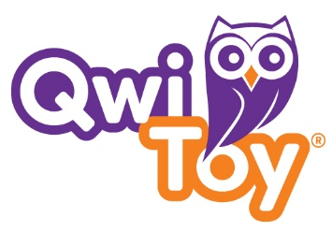
102 E. Seneca Street - Suite 310 Phone: (315) 363-5594
Sherrill, NY 13461 Fax: (315) 363-8755
 |  |  |  |  |  | Date:____________________
Account:____________________ |  |  |  | Purchase Order:_______________________
Bill To: |  |  |  |  |  | Sales Rep:_____________________________

 |  |  |  |  |  | Terms:________________________________

Ship To: |  |  |  |  |  | Ship Date:_____________________________

 |  |  |  |  |  | Cancel Date:___________________________

Item # | QTY | Min. Order Qty | Case Pack | Item Description | Page # | NEW | Unit Price | Amount | ISBN
35156 |  | 1 | 18 | Tropics 3 in 1 Playbook | 1 | NEW | $5.00 | $- | 8720844017140
35157 |  | 1 | 18 | Animals 3 in 1 Playbook | 1 | NEW | $5.00 | $- | 8720844017195
35158 |  | 1 | 18 | Time Travel 3 in 1 Playbook | 1 | NEW | $5.00 | $- | 8720844017201
35159 |  | 1 | 18 | Magic Adventures 3 in 1 Playbook | 1 | NEW | $5.00 | $- | 8720844017218
 |  |  |  |  |  |  | Total: | $-
Minimum Order: $100
Damage and shortage claims must be sent to us within 7 days of receiving shipment.
Claims will not be accepted from delinquent accounts.
Backorders are shipped unless specified with a cancel date. All backorders will be cancelled on December 31st 2026.
New Accounts - Provide full name, address, phone & fax, & a credit reference sheet. Including a minimum of 5 trade vendors.
All orders are subject to credit approval.
Credit cards will not be accepted as payment after an order has been shipped without adding an additional 3.5% surcharge.
We accept AMEX, MasterCard, Visa, and Discover Cards.
All approved returns are subject to a 15% restocking fee.
Residental shipping addresses are subject to surcharges.

