2026 Jack In The Box PL
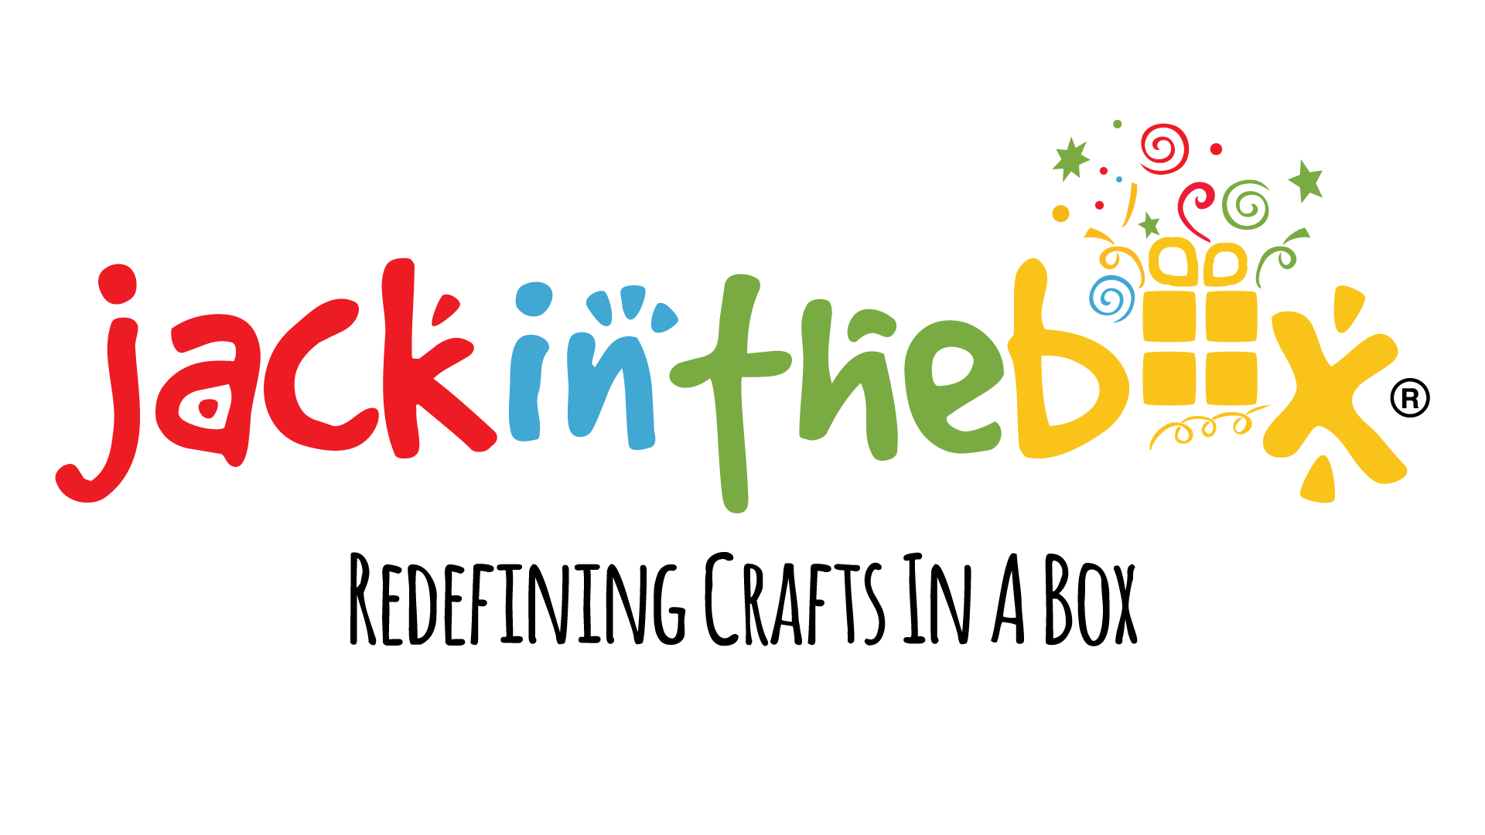
102 E. Seneca Street - Suite 310 Phone: (315) 363-5594
Sherrill, NY 13461 Fax: (315) 363-8755
 |  |  |  |  |  | Date:____________________
Account:____________________ |  |  |  | Purchase Order:_______________________
Bill To: |  |  |  |  |  | Sales Rep:_____________________________

 |  |  |  |  |  | Terms:________________________________

Ship To: |  |  |  |  |  | Ship Date:_____________________________

 |  |  |  |  |  | Cancel Date:___________________________
 |  |  |  |  |  | * While Supplies Last
Item # | QTY | Min. Order Qty | Case Pack | Item Description | Page # | NEW | Unit Price | Amount | EAN
10001 |  | 1 | 6 | 6 in 1 All Things Space | TBD |  | $10.00 | $- | 8908007095000
10002 |  | 1 | 8 | 3 in 1 All Things Space | TBD |  | $7.50 | $- | 8908007095017
10004 |  | 1 | 6 | 6 in 1 All Things Fashion | TBD |  | $10.00 | $- | 8908007095307
10005 |  | 1 | 8 | 3 in 1 All Things Fashion | TBD |  | $7.50 | $- | 8908007095314
10007 |  | 1 | 6 | 6 in 1 All Things Ocean | TBD |  | $10.00 | $- | 8908007095338
10008 |  | 1 | 8 | 3 in 1 All Things Ocean | TBD |  | $7.50 | $- | 8908007095345
10010 |  | 1 | 8 | 3 in 1 Junior All Things Superhero | TBD |  | $7.50 | $- | 8908007095222
10012 |  | 1 | 8 | 3 in 1 Junior All Things Princess | TBD |  | $7.50 | $- | 8908007095246
10014 |  | 1 | 8 | 3 in 1 All Things Beach | TBD |  | $7.50 | $- | 8908007095116
10016 |  | 1 | 6 | 6 in 1 All Things Travel | TBD |  | $10.00 | $- | 8908007095154
10017 |  | 1 | 8 | 3 in 1 All Things Travel | TBD |  | $7.50 | $- | 8908007095161
10019 |  | 1 | 6 | 6 in 1 All Things Jungle | TBD |  | $12.50 | $- | 8908007095031
10020 |  | 1 | 8 | 3 in 1 All Things Jungle | TBD |  | $7.50 | $- | 8908007095048
10022 |  | 1 | 6 | 6 in 1 All Things Sports | TBD |  | $10.00 | $- | 8908007095277
10023 |  | 1 | 8 | 3 in 1 All Things Sports | TBD |  | $10.00 | $- | 8908007095284
10025 |  | 1 | 6 | 6 in 1 All Things Dinosaur | TBD |  | $10.00 | $- | 8908014847173
10026 |  | 1 | 8 | 3 in 1 All Things Dinosaur | TBD |  | $7.50 | $- | 8908014847210
10028 |  | 1 | 6 | 6 in 1 All Things Unicorn | TBD |  | $10.00 | $- | 89080070954370
10029 |  | 1 | 8 | 3 in 1 All Things Unicorn | TBD |  | $7.50 | $- | 89080070954448
10031 |  | 1 | 6 | 6 in 1 All Things Chef | TBD |  | $10.00 | $- | 89080070954684
10032 |  | 1 | 8 | 3 in 1 All Things Chef | TBD |  | $7.50 | $- | 89080070954752
10034 |  | 1 | 6 | 6 in 1 All Things Tropical | TBD |  | $10.00 | $- | 89080070953908
10035 |  | 1 | 8 | 3 in 1 All Things Tropical | TBD |  | $10.00 | $- | 89080070954066
10037 |  | 1 | 8 | 3 in 1 All Things Cat | TBD |  | $7.50 | $- | 89080070954202
10038 |  | 1 | 6 | 6 in 1 All Things Vehicles | TBD |  | $12.50 | $- | 89080070954998
10039 |  | 1 | 8 | 3 in 1 All Things Vehicles | TBD |  | $7.50 | $- | 89080070955056
10041 |  | 1 | 8 | 3 in 1 Sparkling Diwali | TBD |  | $7.50 | $- | 8908007095130
10046 |  | 1 | 8 | 3 in 1 All Things Easter | TBD |  | $7.50 | $- | 89080070955292
10059 |  | 1 | 6 | 6 in 1 All Things Christmas | TBD |  | $10.00 | $- | 8908007095659
10060 |  | 1 | 8 | 3 in 1 All Things Christmas | TBD |  | $7.50 | $- | 8908007095666
10061 |  | 1 | 6 | 6 in 1 All Things Halloween | TBD |  | $10.00 | $- | 8908007095703
10062 |  | 1 | 8 | 3 in 1 All Things Halloween | TBD |  | $7.50 | $- | 8908007095710
10064 |  | 1 | 6 | 6 in 1 All Things Llama | TBD |  | $10.00 | $- | 8908007095673
10065 |  | 1 | 8 | 3 in 1 All Things Llama | TBD |  | $7.50 | $- | 8908007095680
10067 |  | 1 | 8 | 3 in 1 Junior All Things Unicorn | TBD |  | $7.50 | $- | 8908014847036
10068 |  | 1 | 8 | 3 in 1 All Things Butterfly | TBD |  | $7.50 | $- | 8908014847067
10069 |  | 1 | 8 | 3 in 1 Junior All Things Bugs & Bees | TBD |  | $7.50 | $- | 8908014847043
10070 |  | 1 | 8 | 3 in 1 Junior All Things Farm | TBD |  | $7.50 | $- | 8908014847050
10071 |  | 1 | 14 | Stick N Stack - Unicorn | TBD |  | $7.50 | $- | 8908014847104
10072 |  | 1 | 14 | Stick N Stack - Heart | TBD |  | $10.00 | $- | 8908014847135
10073 |  | 1 | 14 | Stick N Stack - Owl | TBD |  | $10.00 | $- | 8908014847128
10074 |  | 1 | 12 | Craftuzzle - Space Explorer | TBD |  | $10.00 | $- | 8908014847197
10075 |  | 1 | 12 | Craftuzzle - Dinosaur Era | TBD |  | $7.50 | $- | 8908014847203
10076 |  | 1 | 12 | Craftuzzle - Jungle Safari | TBD |  | $7.50 | $- | 8908014847180
10077 |  | 1 | 12 | Craftuzzle - Under The Sea | TBD |  | $7.50 | $- | 8908014847166
10078 |  | 1 | 28 | Hand Puppets - Safari Animals | TBD |  | $8.50 | $- | 8908014847227
10079 |  | 1 | 14 | Superhero Dressup Kit | TBD |  | $15.00 | $- | 8908014847234
10080 |  | 1 | 8 | 3 in 1 Junior All Things Dinosaur | TBD |  | $10.00 | $- | 8908014847241
10081 |  | 1 | 28 | Hand Puppets - Sea Animals | TBD |  | $8.50 | $- | 8908014847258
10082 |  | 1 | 28 | Hand Puppets - Farm Animals | TBD |  | $8.50 | $- | 8908014847265
10083 |  | 1 | 9 | My Happy Journal Kit | TBD |  | $12.50 | $- | 8908014847289
10084 |  | 1 | 6 | My Good Vibes Wall Collage Kit | TBD |  | $10.00 | $- | 8908014847272
10085 |  | 1 | 12 | Fairy Potion Kit | TBD |  | $10.00 | $- | 8908014847296
10086 |  | 1 | 8 | Learn to Sew - Dessert | TBD |  | $12.50 | $- | 8908014847319
10087 |  | 1 | 8 | Learn to Sew - Unicorn | TBD |  | $10.00 | $- | 8908014847302
10088 |  | 1 | 9 | Educational Posters - BOHO | TBD |  | $10.00 | $- | 8908014847326
10089 |  | 1 | 9 | Educational Posters - Colorful | TBD |  | $10.00 | $- | 8908014847333
10090 |  | 1 | 15 | Science Posters | TBD |  | $10.00 | $- | 8908014847340
10091 |  | 1 | 15 | Calming Corner Posters | TBD |  | $10.00 | $- | 8908014847388
10092 |  | 1 | 25 | Potty Training Chart - Unicorn | TBD |  | $8.00 | $- | 8908014847418
10093 |  | 1 | 25 | Potty Training Chart - Mermaid | TBD |  | $6.00 | $- | 8908014847425
10094 |  | 1 | 25 | Potty Training Chart - Dinosaur | TBD |  | $8.00 | $- | 8908014847449
10095 |  | 1 | 25 | Potty Training Chart - Construction | TBD |  | $8.00 | $- | 8908014847456
10096 |  | 1 | 25 | Potty Training Chart - Space | TBD |  | $6.00 | $- | 8908014847432
10097 |  | 1 | 10 | Sticker Dollhouse | TBD |  | $15.00 | $- | 8908014847401
10099 |  | 1 | 10 | Sensory Busy Book - Animals | TBD |  | $10.00 | $- | 8908014847470
10100 |  | 1 | 10 | Touch & Stick Textures | TBD |  | $10.00 | $- | 8908014847463
10101 |  | 1 | 40 | Charm Bracelet Kit | TBD |  | $15.00 | $- | 8908014847487
10102 |  | 1 | 10 | My Gratitude Journal For Kids | TBD |  | $12.50 | $- | 8908014847494
10113 |  | 1 | 10 | Poke Poke Art - Space | TBD |  | $12.00 | $- | 8906184071947
10114 |  | 1 | 10 | Poke Poke Art - Ocean | TBD |  | $12.00 | $- | 8906184071732
10115 |  | 1 | 10 | Poke Poke Art - Dinosaurs | TBD |  | $12.00 | $- | 8906184071756
10116 |  | 1 | 10 | Poke Poke Art - Candyland | TBD |  | $12.00 | $- | 8906184071763
10117 |  | 1 | 10 | Poke Poke Art - Bugs & Bees | TBD |  | $12.00 | $- | 8906184071749
18012 |  | 1 | 9 | My Gratitude Journal Kit For Teens | TBD |  | $12.50 | $- | 8908014847500
18015 |  | 1 | 12 | Sensory Busy Book - Dinosaur | TBD |  | $7.50 | $- | 8906184071466
18016 |  | 1 | 12 | Sparkly Sticker Fun - Fairyland | TBD |  | $9.00 | $- | 8906184071480
18017 |  | 1 | 12 | Sparkly Sticker Fun - Under the Sea | TBD |  | $9.00 | $- | 8906184071473
18018 |  | 1 | 10 | Poke Poke Art - Magical | TBD |  | $12.00 | $- | 8906184071497
18019 |  | 1 | 8 | Poke Poke Art - Fashion | TBD |  | $12.00 | $- | 8906184071602
18020 |  | 1 | 10 | Poke Poke Art - Animals | TBD |  | $12.00 | $- | 8906184071565
18021 |  | 1 | 6 | Alphabet | TBD |  | $10.00 | $- | 8906184071459
18022 |  | 1 | 20 | Sticker By Number - Baby Animals | TBD |  | $10.00 | $- | 8906184071541
UW - Poke Art Hydrangea Flower Craft Kit |  | 1 | TBD | UW - Poke Art Hydrangea Flower Craft Kit | TBD |  | TBD | #VALUE! | 8906184071527
UW - Poke Art Marigold Flower Craft Kit |  | 1 | TBD | UW - Poke Art Marigold Flower Craft Kit | TBD |  | TBD | #VALUE! | 8906184071626
UW - SBN - Motivational Masterpiece |  | 1 | TBD | UW - SBN - Motivational Masterpiece | TBD |  | TBD | #VALUE! | 8906184071534
UW - Embroidery Kit Floral Wreath |  | 1 | TBD | UW - Embroidery Kit Floral Wreath | TBD |  | TBD | #VALUE! | 8906184071695
UW - Embroidery Kit Landscape |  | 1 | TBD | UW - Embroidery Kit Landscape | TBD |  | TBD | #VALUE! | 8906184071657
UW - Foil By Number - Floral Art |  | 1 | TBD | UW - Foil By Number - Floral Art | TBD |  | TBD | #VALUE! | 8906184071589
UW - Foil By Number - Mandala |  | 1 | TBD | UW - Foil By Number - Mandala | TBD |  | TBD | #VALUE! | 8906184071572
UW - Boho Wall Art |  | 1 | TBD | UW - Boho Wall Art | TBD |  | TBD | #VALUE! | 8906184071671
UW - Abstract Art |  | 1 | TBD | UW - Abstract Art | TBD |  | TBD | #VALUE! | 8906184071688
01985 |  | 1 | 1 | 2026 Jack In The Box Price List |  |  | $0.00 | $-
10000 |  | 1 | 1 | 2026 Jack In The Box Catalog |  |  | $0.00 | $-
 |  |  |  |  |  |  | Total: | $-
Minimum Order: $100
Damage and shortage claims must be sent to us within 7 days of receiving shipment.
Claims will not be accepted from delinquent accounts.
Backorders are shipped unless specified with a cancel date. All backorders will be cancelled on December 31st 2026.
New Accounts - Provide full name, address, phone & fax, & a credit reference sheet. Including a minimum of 5 trade vendors.
All orders are subject to credit approval.
Credit cards will not be accepted as payment after an order has been shipped without adding an additional 3.5% surcharge.
We accept AMEX, MasterCard, Visa, and Discover Cards.
All approved returns are subject to a 15% restocking fee.
Residental shipping addresses are subject to surcharges.

