Poppers
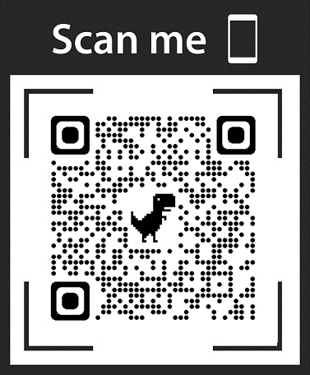
THINKKOOL LLC
Tel: 516 455 1615

ITM CODE | DESCRIPTION | PICTURE | ORIGINAL | OFFER
 |  |  | PRICE | PRICE
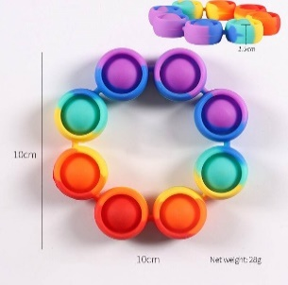

ROBRAC | Round Fidget Bracelet |  | $2.95 | $ 1.45

 |  |  |  |  | 8
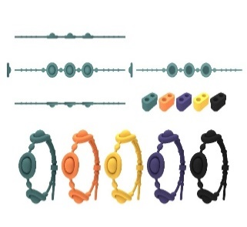

SKBRAC | Skinny Fidget Bracelet |  | $2.50 | $1.25

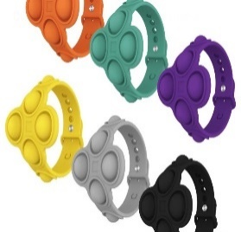

POPWRST | Popit Wristband |  | $2.95 | $1.45

SNFBR | Snap Bracelet Rainbow |  | $2.95 | $1.45

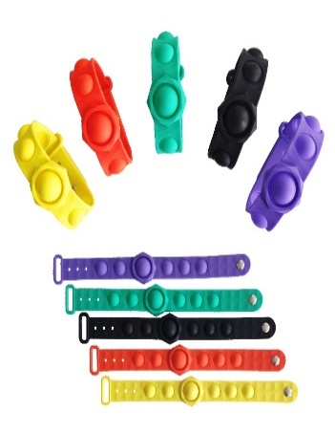

SNFB | Snap Fidget Bracelet |  | $2.95 | $1.45

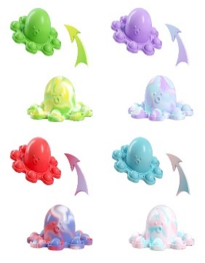

OCTDMPL | Octopus Dimple |  | $2.50 | $1.25
 | *BEST SELLER

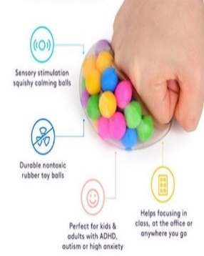

SQBEAD | Squish Balls with Beads |  | $1.75 | $0.90
 | *BEST SELLER
 | *IN TOP 5

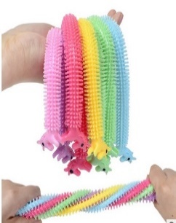

STRSTR | Stretchy String |  | $1.25 | $ 0. 65

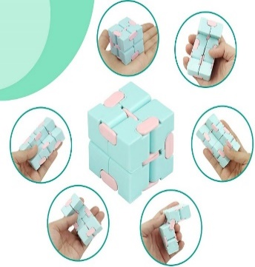

INCU | Infinite Cube Fidget Toy |  | $3.00 | $1.50
 | *BEST SELLER

SPDP2M | 2 Digit SD Heavy Metal |  | $2.75 | $ 1.35

SPDP3M | 3 Digit SD Heavy Metal |  | $3.40 | $1.70
 | *BEST SELLER

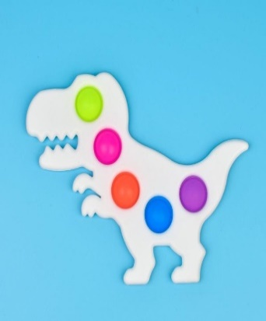

DSPDP5 | Dinosaur 5-Digit SD |  | $3.90 | $1.95

SMBOW | Bow Keychain |  | $1.90 | $0.95

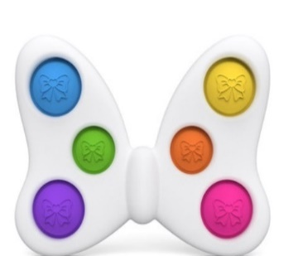

LGBOW | Large Bow |  | $3.90 | $1.95

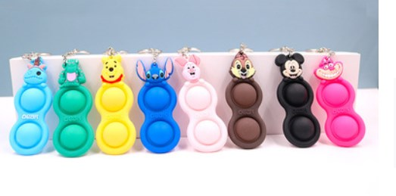

CTDP | Cartoons Dimples |  | $3.00 | $1.50

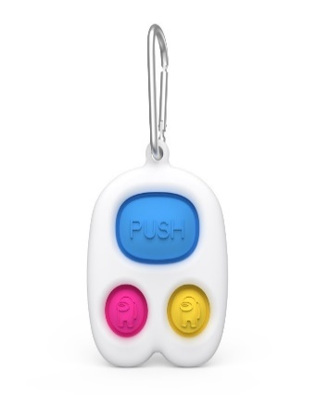

AUSPDP | Amongst Us SD |  | $3.25 | $1.60

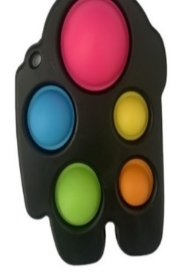
SPDP5SM | 5 Digit Spaceman Black |  | $3.90 | $1.95

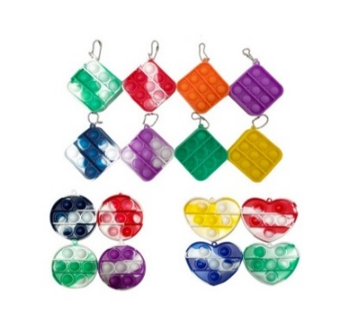

PIKC | Pop It Keychain |  | $2.50 | $1.25

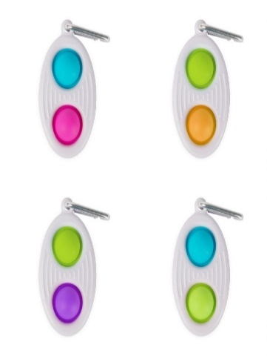

SPDPN | Mini Fidget SD NEW |  | $2.25 | $1.10

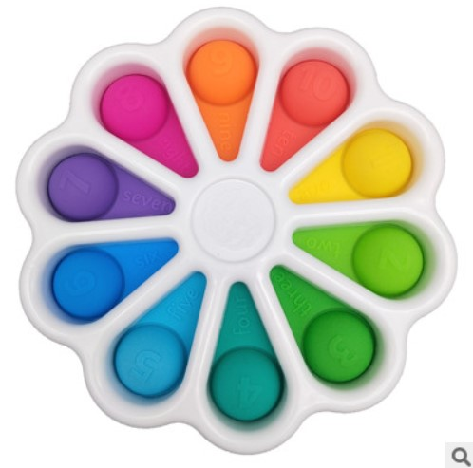

DD10 | Dimple Pop Numbers |  | $5.75 | $2.85
 | *BEST SELLER

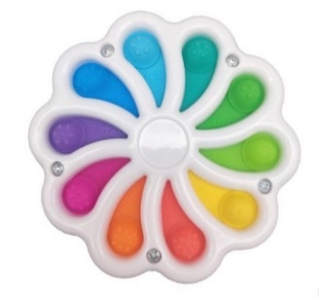

DD10S | Pop Numbers Small |  | $3.95 | $1.95

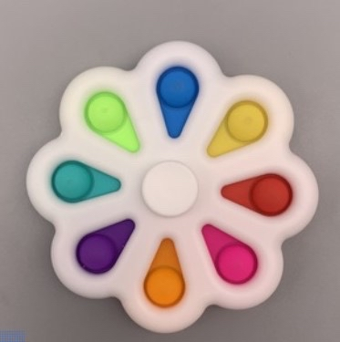

FSP8 | 8 Digit Fidget Spinner |  | $3.00 | $1.50

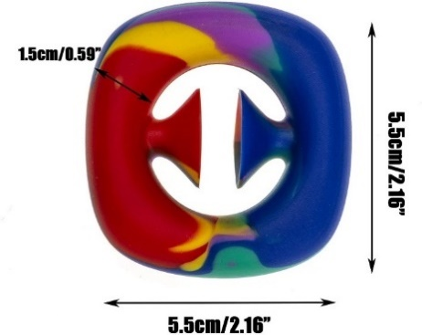

RASN | Rainbow Snappers |  | $2.50 | $1.25

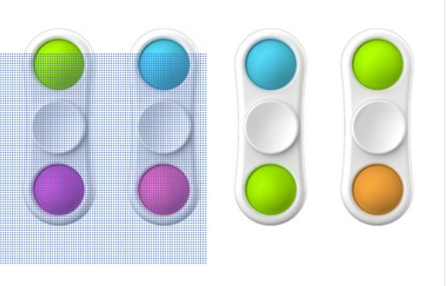

FSP2 | 2 Digit Fidget Spinner |  | $2.50 | $1.25

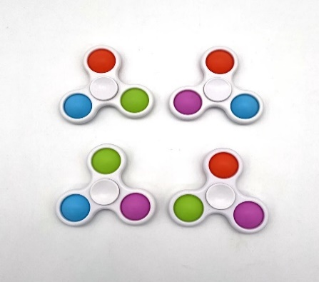

FSP3 | 3 Digit Fidget Spinner |  | $2.75 | $1.35

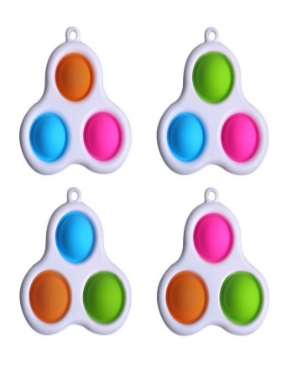

SPDP3 | 3 Digit SD |  | $2.75 | $1.35

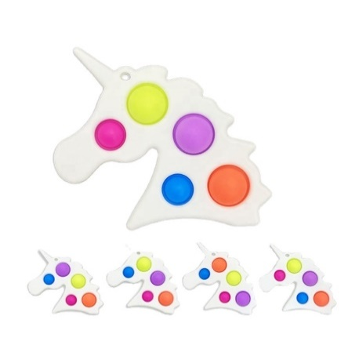

USPDP5 | Unicorn SD |  | $3.75 | $1.85

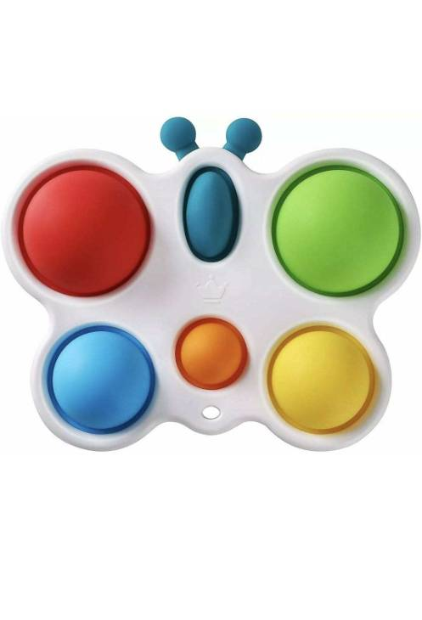

BSPDP5 | Butterfly SD |  | $3.75 | $1.85

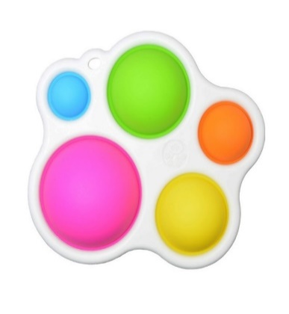

SPDP5 | 5 Digit SD |  | $3.50 | $1.75

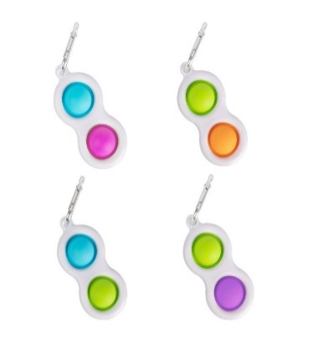

SPDP | Mini fidget SD |  | $2.00 | $1.00

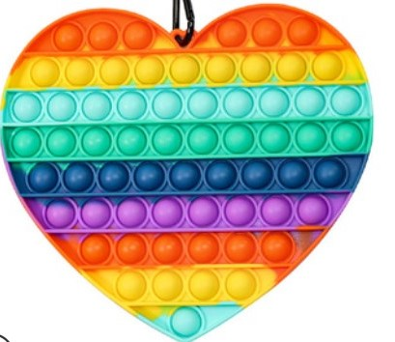

BRAHE | Big Rainbow Heart |  | $5.45 | $2.70

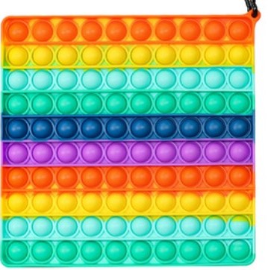

BRASQ | Big Rainbow Square |  | $5.45 | $2.70
 | *BEST SELLER

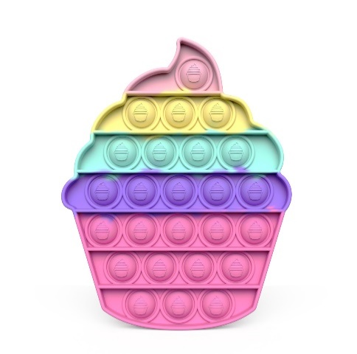

BICCR | Big Ice Cream |  | $3.25 | $1.60
 | *BEST SELLER

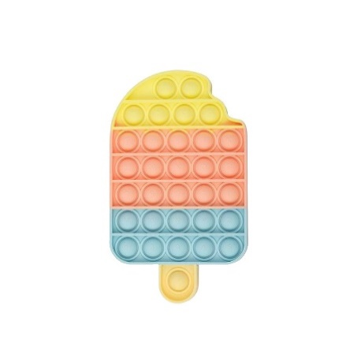

BICST | Big Ice Stick |  | $3.25 | $1.60
 | *BEST SELLER

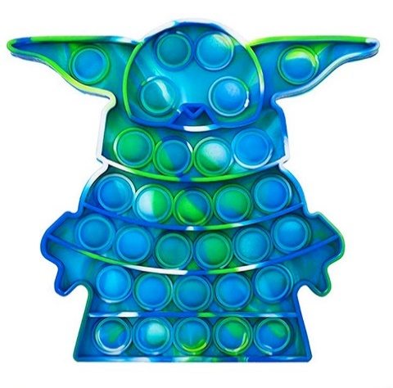

BAYO | Baby Yoda Assorted Colors |  | $3.95 | $1.95
 | *BEST SELLER
 | *IN TOP 5

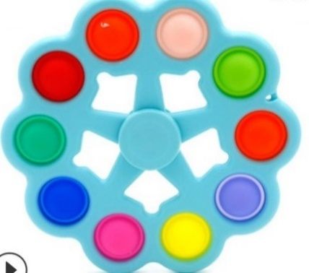

RSP10 | 10 Digit Rotary Spinner |  | $3.50 | $1.75

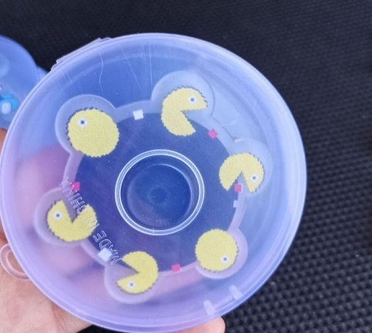

ANSP | Animated Spinner Asst. |  | $2.90 | $1.45
 | (Box Packing)

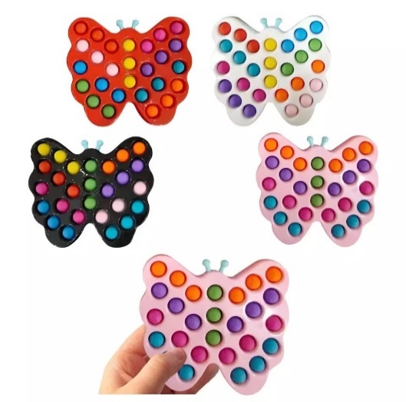

BBUDI | Big Butterfly Dimplee |  | $4.90 | $2.45
 | Asst.

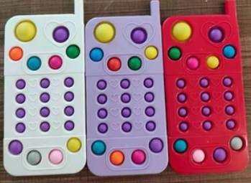

CEPHDI | Cell Phone Dimplee Asst. |  | $4.90 | $2.45

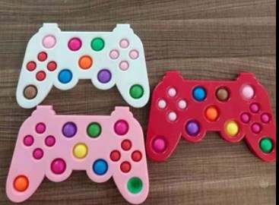

GACODI | Game Controller |  | $4.90 | $2.45
 | Dimplee Asst.

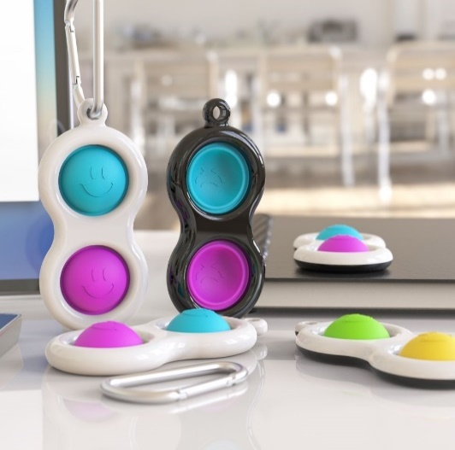

SPDPS | Simplee Dimplee Smile |  | $2.25 | $1.10

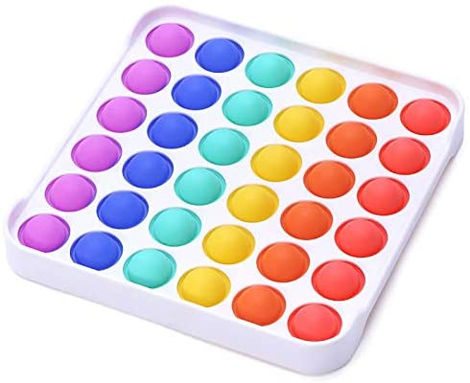

PUPOBU | Push Pop Bubble |  | $3.50 | $1.75

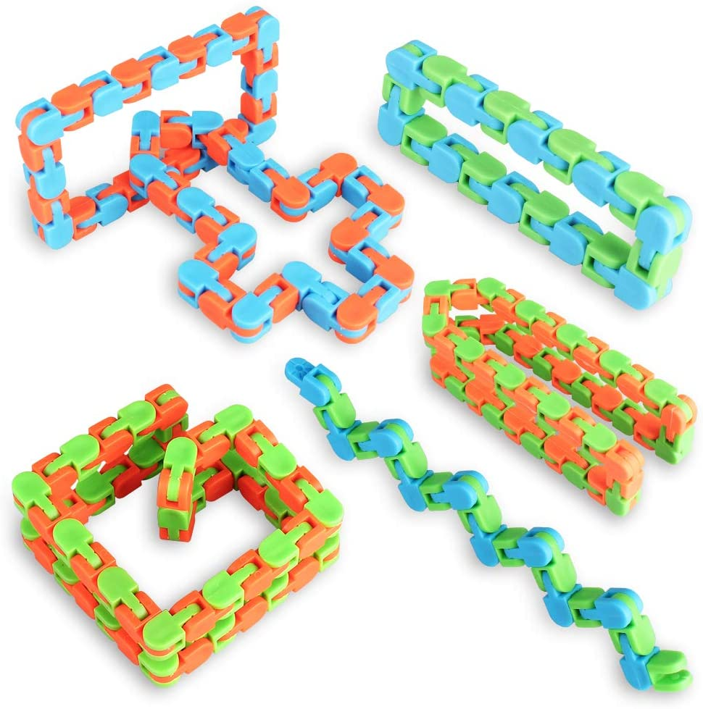

WACTRA | Wacky Trax |  | $1.00 | $0.50
 | Asst. Colors

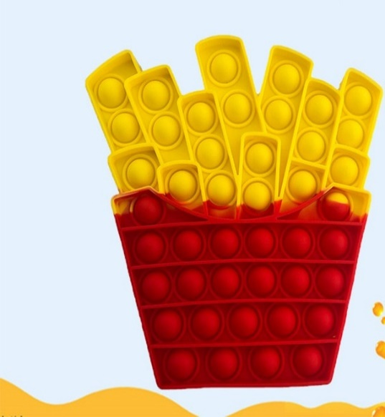

FREFRI | French Fries Pop |  | $3.75 | $1.85

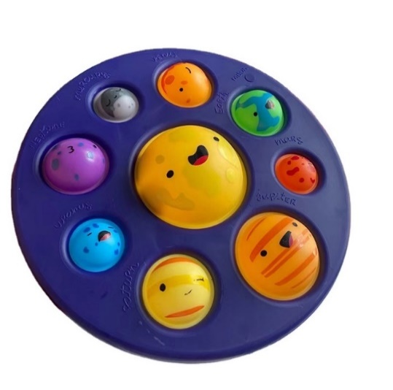

PLANPO | Planet Pop |  | $5.90 | $2.95
 | *BEST SELLER

 |  |  | $5.90 | $2.95
RAKEYB | Rainbow Pop Keyboard
 | *BEST SELLER

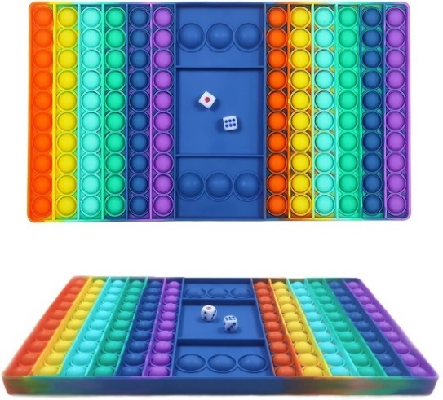

RACHBO | Rainbow Pop Chess Board |  | $8.75 | $4.35
 | *BEST SELLER

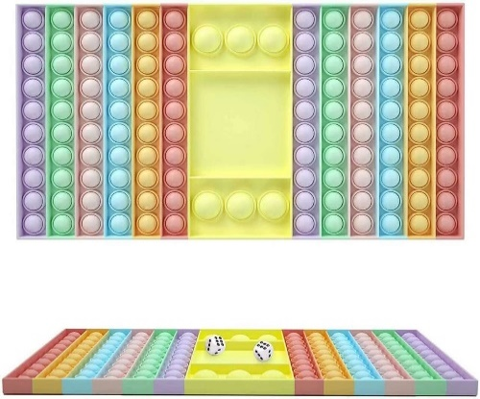

MUGABO | Multi Color Game Board |  | $8.75 | $4.35

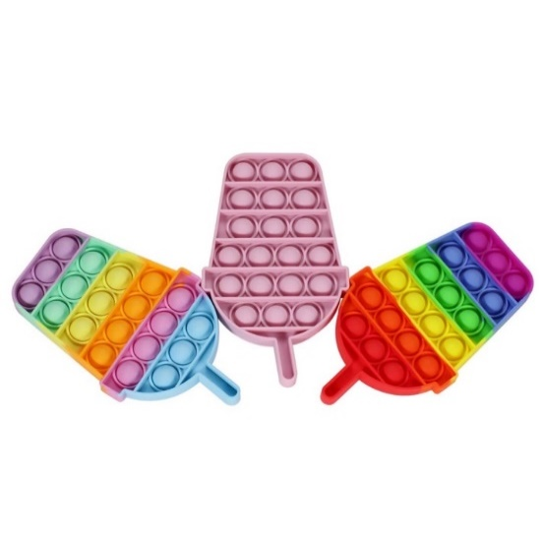

TWIPOP | Twin Pops |  | $3.75 | $1.85

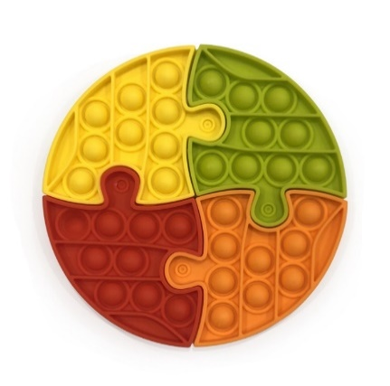

ROUPUZ | Push Pop Round Puzzle |  | $3.90 | $1.95

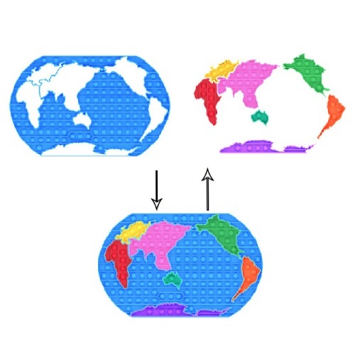

WORLPUZ | Push Pop World Map Puzzle |  | $8.90 | $4.45

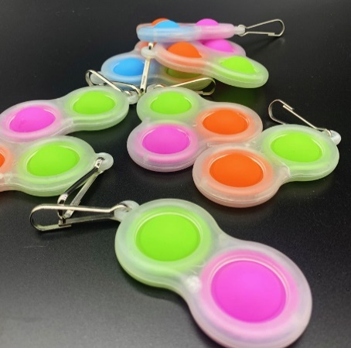

GID2 | 2 Digit Glow in dark |  | $2.25 | $1.10

GID3 | 3 Digit Glow in dark |  | $2.75 | $1.35

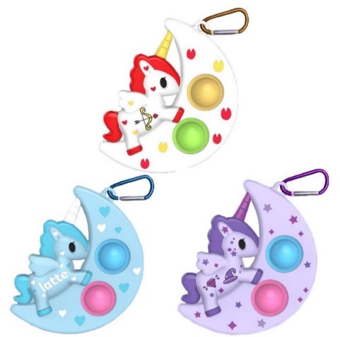

UNIKEY | Unicorn Keychain |  | $2.50 | $1.25

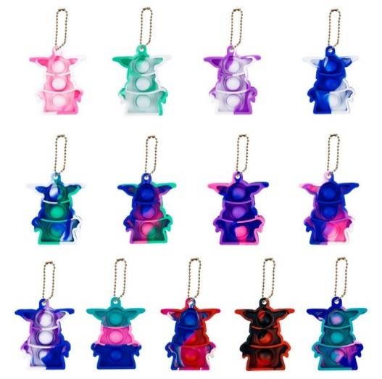

BAYOKEY | Baby Yoda Keychain |  | $2.25 | $1.10



CAAPPO | Cartoon Apple Pop |  | $2.90 | $1.45



CAPIPO | Cartoon Pineapple Pop |  | $2.90 | $1.45



EMOJI5 | 5 Digit Emoji |  | $3.50 | $1.75



EMOBU5 | 5 Digit Emoji Butterfly |  | $3.75 | $1.85



EMOSPA5 | 5 Digit Emoji Spaceman |  | $3.90 | $1.95



SPIN3MET | 3 Digit Metal Fidget Spinner |  | $3.95 | $1.95
 | Spinner
 | *BEST SELLER

PUMPPO | Pumpkin Pop |  | $3.75 | $1.85



CARDI | Car Dimple Pop |  | $2.25 | $1.10



GLOWDA5 | 5 Digit Glow in Dark |  | $3.75 | $1.85



GIFTFLIP | Gift Box Pet Flip |  | $2.90 | $1.45
 | Flip the gift box
 | to reveal a surprise gift
 | See Attached Video



PAANDI | Panda Pop |  | $3.60 | $1.80



MACUSN | Magic Cube Snake Asst. Colors |  | $1.90 | $0.95



PUBBL | Push Pop Building Blocks |  | $24.99 | $12.45
 | (30 Blocks)





SPIBA | Spinner Ball |  | $1.90 | $0.95
 | *BEST SELLER



COSTR | Colored Stretchy String |  | $0.99 | $0.45



GCPS | Game Cube Puzzle Spinner |  | $3.25 | $1.60



AUSPDPN | Amongst US NEW SD |  | $2.95 | $1.45



BIPOBR | Big Pop Bracelet |  | $2.95 | $1.45



COGA | Controller Game Pad |  | $3.90 | $1.95



XMASTP | Christmas Tree Pop |  | $4.90 | $2.45



XMASPOP | Christmas Tree Dimple Pop |  | $3.75 | $1.85
 | Asstd.



FLYDRO | LED Flying Spinning Boomerange Drone Ball |  | $19.99 | $9.95

 | This is a patented item and we are licensed to sell



SAHAT | Santa Hat Pop |  | $3.90 | $1.95



SASHOE | Santa Shoe Pop |  | $3.90 | $1.95



CHRISPO | Christmas Pop (Asst.) |  | $3.90 | $1.95



SNOWDI | Snowman Dimple |  | $2.50 | $1.25



REINDI | Reindeer Dimple |  | $2.50 | $1.25



SANTDI | Santa Dimple |  | $2.50 | $1.25



CHTRMI | Christmas Tree Dimple |  | $2.50 | $1.25
 | Mini



SANTAPO | Santa Claus Pop |  | $5.90 | $2.95



WACAR | Wall Climbing Car |  | $12.99 | $6.45
 | Asst. Colors



STUCAR | 360 Stunt Car |  | $12.99 | $6.45
 | Asst. Colors



KICAM | Kids Camera |  | $13.99 | $6.95
 | Blue & Pink



SPIN8MET | 8 Digit Metal Spinner |  | $5.25 | $2.60
 | *BEST SELLER



AMUSPO | Among Us Pop |  | $3.50 | $1.75



MABECU | Magic Bean Cube |  | $4.50 | $2.25
 | Game
 | (Asst. Colors)



MUPLBO | Multiplayer Game |  | $13.99 | $6.95
 | Board
 | *BEST SELLER



PGCP | Pop Game Cube |  | $5.50 | $2.75
 | Puzzle



PIKAPOP | Pikachu Pop |  | $3.50 | $1.75



BURPO | Burger Pop |  | $4.25 | $2.10
 | *BEST SELLER



DONPOP | Donut Pop |  | $3.95 | $1.95
 | *BEST SELLER



INCUGAL | Infinite Cube Galaxy |  | $3.50 | $1.75



POPBAG | Pop Handbag White |  | $19.99 | $9.95



SPINBRAC | Spinner Bracelet |  | $3.50 | $1.75



SPINBRAC-R | Spinner Bracelet |  | $3.75 | $1.85
 | Rainbow



POPWRST-TD | Popit Wristband |  | $3.25 | $1.60
 | Assorted



GACOPO | Game Controller Pop (Asst.) |  | $3.50 | $1.75
 | *BEST SELLER



FISPGA | Fidget Spinner Game |  | $3.90 | $1.95
 | Blue/Pink



SCAPOP | Scarecrow Pop |  | $3.75 | $1.85



BATPOP | Spooky Bat Pop |  | $3.75 | $1.85



SPIPOP | Spooky Spider Pop |  | $3.90 | $1.95



SKEPOP | Skeleton Pop |  | $7.99 | $3.95



GHOPOP | Ghost Pop (Assorted) |  | $3.90 | $1.95



HALPOP | Halloween Bat Pop |  | $3.90 | $1.95



COLSPIN5 | 5 Digit colorful spinner |  | $3.50 | $1.75



TURPOP | Turtle Pop (Assorted) |  | $4.90 | $2.45



ROCSNAP | Rocket Snapper (Asst.) |  | $2.50 | $1.25



PENCASE | Pencil Case Pop |  | $5.90 | $2.95

 | *BEST SELLER



HALSPIN | Halloween Spinner |  | $4.50 | $2.25



GHOPOPC | Ghost Pop Multicolor |  | $4.90 | $2.45



SCAPOPC | Scarecrow Pop |  | $4.90 | $2.45
 | Multicolor



WITPOP | Witch Pop |  | $4.90 | $2.45



JOLPOP | Jack O Lantern Pop |  | $4.90 | $2.45



ROUBAG | Round Bag Pop |  | $7.50 | $3.75
 | *BEST SELLER



CALPOP | Calculator Pop (Asst.) |  | $4.90 | $2.45



MACKEY | Macarone Keychain (Asst) |  | $2.50 | $1.25

BATCHA | Batman Keychain (Asst.) |  | $2.50 | $1.25



BEARCHA | Bear Keychain (Asst.) |  | $2.50 | $1.25



PENPOP | Pen Poppers (Asst.) |  | $2.50 | $1.25



POPNOTE | Pop Spiral Notebook |  | $8.85 | $4.40
 | Blue and Green
 | 50 Sheets




POPWATCH | Pop Watch LED (Blue and Pink) |  | $5.50 | $2.75$

AMOUSMET | Amongst Us Metal |  | $3.50 | $1.75

UNIMET | Unicorn Metal |  | $3.50 | $1.75
 | *BEST SELLER



UNIBAGPO | Unicorn Bag Pop (Asst. Colors) |  | $5.95 | $2.95
 | *BEST SELLER
 | *IN TOP 5



POCKBAGPO | Pocket Bag Pop (Asst. Colors) |  | $3.50 | $1.75



ICMIBAGPO | Ice Cream Mini Bag Pop (Asst.) |  | $3.75 | $1.85



AMOUBAG | Amongst Us Bag Pop (Asst.) |  | $3.95 | $1.95$1.85



EXCAPOP | Excavator Pop |  | $3.75 | $1.85



POFLOSPIN | Pop Floor Spinner |  | $3.50 | $1.75




POPTUBE | Pop Tubes (Large) |  | $7.95 | $3.95
 | Pack of 8



ADVCAL | Fidget Advent Calendar |  | $19.99 | $9.95
 | 24 Fidgets



SAHATBAG | Santa Hat Zipper Bag |  | $4.90
 |  |  |  | $2.45



SASHOBAG | Santa Shoe Zipper Bag |  | $4.90 | $2.45



SAGLOBAG | Santa Glove Zipper Bag |  | $4.90 | $2.45



OCTHI | Octopus Highlighter (Set of 6) |  | $5.90 | $2.95



REVTU | Reversible Turtlee Plushie |  | $5.90 | $2.95



REVYO | Reversible Yoda Plushie |  | $6.90 | $3.45



REVAMO | Reversible Among Us Plushie |  | $5.90 | $2.95
 | (Asst. Colors)



REVCAT | Reversible Cat Plushie |  | $6.90 | $3.45
 | (4 Asst. Colors)






REVOCT | Reversible Moody Octopus |  | $4.90 | $2.45$3.
 | Octopus Plushie
 | (4 Asst. Colors)



SQGAFM | Squid Game Face Mask |  | $6.90 | $3.45
 | (Square, Circle, Triangle)
 | Size: 10"x7"
 | Asstd.



SQGAPL | Squid Game Plush (Asstd) |  | $7.90 | $3.95
 | (Square, Circle, Triangle)
 | Size: 11.5"



SQPOKE | Squid Game Pop Keychain |  | $2.75 | $1.35
 | (Square, Circle, Triangle)
 | Size: 3.2"
 | Asst.



SQKEY | Squid Game Keychain |  | $1.90 | $0.95
 | Asst. Size: 3.2"


 |  |  | $4.90 | $2.45
SQPOBAG | Squid Game Pop Bag
 | Asst.
 | (Square, Circle, Triangle)
 | Size: 3.5"X3.5"



SQINCU | Squid Game Infinity Cube |  | $3.90 | $1.95
 | Asst.



SQBOMA | Squid Game Boss Mask |  | $5.90 | $2.95



SQCOPO | Squid Game Cookie Pop |  | $1.90 | $0.95
 | Asst.



SQWABAPO | Squid Game Waist Bag |  | $5.90 | $2.95
 | Pop Asst.



SQPEN | Squid Game Pen (Asst.) |  | $1.90 | $0.95



3DBB | 3D Decompression |  | $3.50 | $1.75
 | Bubble Ball
 | *BEST SELLER



KIBAGPO | Kitty Bag Pop(Asst.) |  | $5.90 | $2.95
 | *BEST SELLER
 | *IN TOP 5



TIKBAGPO | TikTok Bag Pop(Asst.) |  | $5.90 | $2.95
 | *BEST SELLER
 | *IN TOP 5



CHPOBAPO | Christmas Pocket Bag Pop |  | $3.50 | $1.75
 | Asst.



3DPS | 3D Decompression |  | $3.50 | $1.75
 | Pop Square Asst.



FTMT | Fingertip Mechanical Top |  | $3.90 | $1.95
 | *BEST SELLER



MCBG | Magic Cube Brain Game |  | $24.50 | $12.25
 | BEST SELLER



 | Scan with phone camera to see the video

Squishies
ITM CODE | DESCRIPTION | PICTURE | PRICE | CASE PACK | Inside


SQPEANUT | Squishy Peanut |  | $3.49 | 12
 | *NEW*



SQRAINBTR | Squishy Rainbow Butter |  | $3.25 | 12
 | *NEW*



SQDOG | Squishy Dog |  | $4.99 | 1 | Flour
 | *NEW*



SQGIDUMP | Squishy Glow In Dark Dumpling |  | $4.49 | 12 | Maltose
 | *NEW*



SQTORT | Squishy Tortoise |  | $3.59 | 12 | Maltose
 | *NEW*



SQSWDUCK | Squishy Swirl Duck |  | $3.49 | 12 | Maltose
 | *NEW*



SQGLTRICHEESE | Squishy Glitter Triangle Cheese |  | $3.49 | 12 | Maltose
 | *NEW*



MULO | Musical Lollipop |  | $4.50 | 8



MIPRIN | Mini Pringles Puzzle |  | $2.95 | 20



SQDUCK | Squishy Duck |  | $3.45 | 12 | Flour



SQSUDUCK | Squishy Sugar Duck |  | $3.45 | 12 | Maltose



SQRAB | Squishy Rabbit |  | $3.25 | 12 | Maltose



SQSTRCHEESE | Squishy Strawberry Cheese |  | $4.99 | 1 | Flour



SQPIZZA | Squishy Pizza |  | $3.25 | 12 | Flour



SQPABEAR | Squishy Painted Bear |  | $3.25 | 12 | Maltose



SQCDUMPBE | Squishy Clear Dumpling with beads |  | $4.45 | 12 | Beads



SQDUMPBE | Squishy Dumpling with beads |  | $4.55 | 12 | Beads



SQUNIDUMP | Squishy Unicorn Dumpling |  | $4.45 | 12 | Flour



SQEGGTART | Squishy Egg Tart |  | $3.25 | 12 | Flour



SQGFISH | Squishy Gold Fish |  | $3.49 | 12 | Maltose



SQBIGBTR | Squishy Big Butter |  | $3.99 | 6 | Flour



SQOCT | Squishy Octopus |  | $3.49 | 12 | Maltose



SQCRISPY | Squishy Crispy Ball |  | $3.49 | 12 | Clay



SQMALT | Squishy Malt Cheese |  | $3.25 | 12 | Maltose



SQCAKE | Squishy Cake |  | $6.79 | 1



SQTOAST | Squishy Toast |  | $4.00 | 1



SQPUDD | Squishy Pudding |  | $6.79 | 1



SQBDUMP | Squishy Bubble Dumpling |  | $3.75 | 12



SQCHILI | Squishy Chili |  | $3.49 | 12



SQFRIEND | Squishy Friend |  | $3.49 | 12

 | *NEW*



SQPEACH | Squishy Peach |  | $3.25 | 12



SQCAT | Squishy Cat |  | $3.25 | 12



SQBPOP | Squishy Big Popsicle |  | $3.65 | 12
 | 5.5 in.



SQSFCUBE | Squishy Snowflake Ice Cube |  | $3.49 | 12



SQCHEESE | Squishy Cheese (3.93in) |  | $4.99 | 1
 | BIG AND HEAVY



SQPYRA | Squishy Pyramid |  | $3.49 | 12
 | ETA: 05/29



 |  |  | $3.49 | 12
SQCUBE | Squishy Cube



SQGRP | Squishy Grape |  | $3.49 | 12



SQICECUBE | Squishy Ice Cube |  | $3.49 | 12



SQNICE | Squishy Nice Sicle |  | $4.25 | 12



SQCANDY | Squishy Candy |  | $3.49 | 12



SQDROP | Squishy Drop |  | $3.49 | 12



SQBRD | Squishy Bread |  | $2.50 | 1



SQBEAR | Squishy Gummy Bear
 |  |  | $3.25 | 12



SQGLDUMP | Squishy Glitter Dumpling |  | $4.99 | 12



SQLDUMP | Squishy Liberty Dumpling |  | $3.25 | 12

 | Slow Rise



SQDUMP | Squishy Dumpling |  | $4.99 | 12


SQBTR | Squishy Butter |  | $3.25 | 12



SQPIG | Squishy Pig |  | $2.45 | 12
 | PDQ Display Box with 10 pcs
 | ETA: 05/15



SQPUG | Squishy Pug Dog |  | $2.45 | 12
 | PDQ Display Box with 10 pcs
 | ETA: 05/15



SQHAM | Squishy Hamburger |  | $2.95 | 12
 | PDQ Display Box with 12 pcs



 |  |  | $4.35 | 12
SQJEL | Squishy Jelly Fish



STRBAN | Squishy Stretchy Banana |  | $2.45 | 12
 | PDQ Display Box with 12 pcs



SQMAN | Squishy Stretchy Banana |  | $2.45 | 12
 | PDQ Display Box with 12 pcs



SQSTR | Squishy Strawberry |  | $2.45 | 12
 | PDQ Display Box with 12 pcs
 | Size: 3.2"



SQCOR | Squishy Corn |  | $2.85 | 12
 | PDQ Display Box with 8 pcs
 | Size: 4.5"



SQUNI |  |  | $2.75 | 12
 | PDQ Display Box with 12 pcs
 | Size: 4.5"
 | ETA: 05/29



SQCAR | Squishy Carrot with beads |  | $2.75 | 12
 | PDQ Display Box with 12 pcs
 | Size: 5.2"
 | ETA: 05/29



SQEGGPL | Squishy Eggplant with beads |  | $2.95 | 12
 | PDQ Display Box with 12 pcs
 | Size: 4.75"
 | ETA: 05/16



SQPIAP | Squishy Pineapple with beads |  | $2.45 | 12
 | PDQ Display Box with 12 pcs
 | Size: 4.15"



CCSB | Color Change Stress Ball |  | $2.25 | 12
 | PDQ Display Box with 12 pcs
 | Size: 2.5"
 | ETA: 05/16



MESQBA | Mesh Squish Ball |  | $2.45 | 12
 | PDQ Display Box with 12 pcs
 | Size: 2.5"
 | ETA: 05/16



GIDSB | Glow in The Dark Stress Ball |  | $2.45 | 12
 | PDQ Display Box with 12 pcs
 | ETA: 05/16

Super Kool
ITEM CODE | DESCRIPTION | PICTURE | ORIGINAL | OFFER
 |  |  | PRICE | PRICE


PHSPIN | Pop Hand Spinner |  | $1.75 | $0.85



STIOCT | Sticky Octopus |  | $1.75 | $0.85



FIDSLUG | Fidget Finger Slug |  | $4.50 | $02.25



FIARW0379 | 6" Fishing Game |  | $2.25 | $1.10
 | w / 4.75" Rod



STARY66134 | 10" F/W SANITATION |  | $9.90 | $4.95
 | TRUCK



PPARB811 | Ping Pong Toy Gun |  | $2.50 | $1.25



AIRCATA | Aircraft Catapult Gun |  | $9.90 | $4.95

Summer
ITM CODE | DESCRIPTION | PICTURE | ORIGINAL | OFFER
 |  |  | PRICE | PRICE



CRARW6123 | 3.25" Crazy Bubbles - 3PC |  | $1.90 | $0.95



BEARW9982 | 13.75" BEACH RAKE W/ 2PC |  | $3.25 | $1.60



BEARW206 | 8.25" BEACH TOY BOAT W/ACSS |  | $2.90 | $1.45



BEARW0562 | Shovel Play Set - 2 PC |  | $2.50 | $1.25
 | SIZE: 15.5" & 14.75"



BEARW2031 | Beach Toy Bucket |  | $2.75 | $1.35
 | w/7.75" Shovel
 | SIZE: 7"D X 7.5"H



BEARW3181 | 12" Beach Toy Truck w/Acss |  | $10.00 | $5.00



WGARW528 | 20" Water Gun w/Pump
 |  |  | $10.00 | $5.00



CWPARW42430 | 11.75" Clear Water Pump |  | $2.50 | $1.25
 | 24 PC Display
 | SIZE: 11.75"



CWPARW2530 | 12" Clear Water Pump
 | 24 PC Display |  | $2.50 | $1.25
 | SIZE: 12"



WGARW30381 | 8.5" WATER GUN - Asst Colors |  | $2.50 | $1.25



BCARW2358 | 2 Pc Bubble Cellphones |  | $3.25 | $1.60
 | Size: 5.5"

Magnetic Puzzles
 |  |  |  | ORIGINAL | OFFER
ITEM CODE | NAME | CONTENTS | PICTURE | PRICE | PRICE
PP004 | Fun Magnetic Shapes : Type 2 (Big) | Contents - 1. 58 magnetic shapes 2. Magnetic board 3. 200 pattern book 4. Display stand 5. Storage tray |  | $8.50 | $4.25
PP011 | Magnetic Puzzles : Squares (Small) | Contents - 1. 250 magnetic squares 2. Magnetic board 3. 100 puzzle book 4. Display stand |  | $7.50 | $3.75
PP012 | Magnetic Puzzles : Circles (Small) | Contents - 1. 250 magnetic circles 2. Magnetic board 3. 100 puzzle book 4. Display stand |  | $7.50 | $3.75
 | Magnetic Puzzles : Triangles (Small) | Contents - 1. 250 magnetic triangles 2. Magnetic board 3. 100 puzzle book 4. Display stand |  | $7.50 | $3.75
PP014 | Magnetic Puzzles : Squares (Big) | Contents - 1. 400 magnetic Squares 2. Magnetic board 3. 200 puzzle book 4. Display stand |  | $8.50 | $4.25
PP017 | Fun Magnetic Shapes : Type 1 (Small) | Contents - 1. 44 magnetic shapes 2. Magnetic board 3. 200 pattern book 4. Display stand 5. Storage tray |  | $7.50 | $3.75
PP018 | Fun Magnetic Shapes : Type 2 (Small) | Contents - 1. 58 magnetic shapes 2. Magnetic board 3. 200 pattern book 4. Display stand 5. Storage tray |  | $7.50 | $3.75
PP019 | Magnetic Learn to Spell : Objects | Contents - 1. 32 picture Magnets 2. 72 letter magnets 3. Magnetic board 4. Spelling guide |  | $8.50 | $4.25
PP020 | Magnetic Learn to Spell : Food | Contents - 1. 32 picture Magnets 2. 72 letter magnets 3. Magnetic board 4. Spelling guide |  | $8.50 | $4.25
PP021 | Magnetic Learn to Spell : Animals | Contents - 1. 32 picture Magnets 2. 72 letter magnets 3. Magnetic board 4. Spelling guide |  | $8.50 | $4.25
PP041 | Magnetic Learn to Write : Capital Letters | Contents - 1. 26 capital letter magnets with full magnet back 2. Write and wipe magnetic board 3. 1 dry-erase sketch pen 4. 1 duster 5. Many ways to play guide |  | $7.50 | $3.75
PP042 | Magnetic Learn to Write : Small Letters | Contents - 1. 26 small letter magnets with full magnet back 2. Write and wipe magnetic board 3. 1 dry-erase sketch pen 4. 1 duster 5. Many ways to play guide |  | $7.50 | $3.75
PP043 | Magnetic Learn to Write : Numbers | Contents - 1. 26 number magnets with full magnet back 2. Write and wipe magnetic board 3. 1 dry-erase sketch pen 4. 1 duster 5. Many ways to play guide |  | $7.50 | $3.75
PP014 | Magntic Puzzles Squares Big | Contents - 1. 400 magnetic shapes 2. Magnetic board 3. 200 pattern book 4. Display stand 5. Storage tray |  | $8.50 | $4.25

